Instructions
Instructions

TIP:
 | 1 | Always copy and paste. Never drop and drag information.

All green tabs should automatically total for your agency. There are other areas which will automatically populate based on information from previous pages.

Blue tabs should automatically populate for your agency; however, it is the agency's responsibility to review all numbers and ensure they are correct throughout this template.

Follow these steps and go in the number order of the tabs when completing.
Enter Information on Green Tab Worksheets:
 | 1 | Agency Info (Green Tab)
 |  | 1 | Enter Date of Application
 |  | 2 | Enter Legal Name of Applicant (City, Commission, etc.) and Address(s)
 |  | 3 | Enter Designated Transit Provider Name and Address(s)
 |  | 4 | Enter Transit Provider Profile/Contact Information
 |  | 5 | Enter SAM.gov Unique Entity Identifier Number
 |  | 6 | Enter any Name of Subcontractor(s), if Applicable
 |  | 7 | Enter Area {County(ies) or City(ies)} and Congressional District to be Served by the Project
 |  | 8 | Enter Service Area Population and Square Miles (Numbers Only)
 |  | 9 | Enter Hours and Days of Operation
 |  | 10 | Enter Project Number: UPT- ???
 |  | 11 | Enter Total Number of Project Vehicles which ALDOT Holds Title to (Number only). Should Match Vehicle Inventory Form and what is listed in TMS
 |  | 12 | Enter Number of Back-up Vehicles Within the Number Above (Number Only)
 |  | 13 | Select Types of Routes Transit Provider Operates
 |  | 14 | Select Grant 5307/5339 Regular Addendum

 | 2 | Vehicle Request Budget Form (Green Tab)
 |  | 1 | Enter Applicant Name (If not listed)
 |  | 2 | Enter Vehicle Description & Price from VVS
 |  | 3 | Enter Designed Seating Capacity
 |  | 4 | Enter Number of Mobility Device Stations Per Vehicle
 |  | 5 | Enter Engine Type
 |  | 6 | Enter Quantity of Each Vehicle Requesting
 |  | 7 | Enter Intended Use of Vehicle
 |  | 8 | Overall Total Cost will Auto-Populate Based on Number Entered
 |  | 9 | Overall Total Number of Vehicles Requesting will Populate

 | 3 | Fleet Replacement Form (Green Tab)
 |  | 1 | Enter Applicant Name (If not listed)
 |  | 2 | Enter Replacement Vehicle Data According to Required Headings

 | 4 | Capital Budget Sheet (Green Tab)
 |  | 1 | Enter Project County (If not listed)
 |  | 2 | Enter Applicant UPT Number (If not listed)
 |  | 3 | Enter Applicant Name (If not listed)
 |  | 4 | Total Amount for Vehicle(s) Requested will Auto-Populate (Doublecheck amount)

 | 5 | Checklist (Green Tab)
 |  | 1 | Enter Applicant Name (If not listed)
 |  | 2 | Enter Page Numbers of Exhibits

 | Directions on how to copy and paste information into the Blank Word Grant Package.
 |  | 1 | Highlight information in the Excel document that needs to be copied to the Word document.
 |  | 2 | Select Copy.
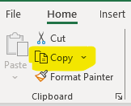

 |  | 3 | Open Word document to the page which you wish to paste the information.
 |  | 4 | Place curser to where you would like to place the information.
 |  | 5 | Select Paste.

 |  | 6 | If document is too large follow these steps to fit to page.
 |  | 7 | Select this box on the top left side.

 |  | 8 | Select Layout

 |  | 9 | Select Autofit
 |  | 10 | Select Autofit Contents
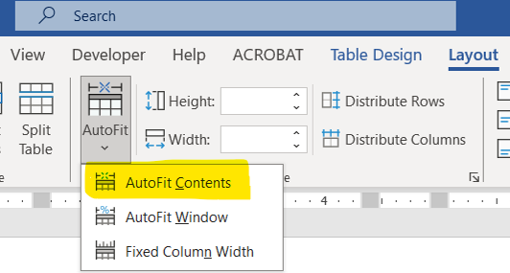

 |  | 11 | This should fit the information however if it doesn't you can utilize the square on the bottom right to move and adjust information further.
 |  |  | Select Square and hold and drag as needed.

